Test Scenarios & Test Cases
Test Scenario ID | Test Scenarios | ID: Test Case Description | Pre Conditions | Test steps: | Test data: | Expected results: | Status | Acutal Results | Screenshots | Defect ID
TS_001 | Verify Add New functionality in the Education module with valid Sign-In credentials. | TC_001 Verify user is able to sign in with valid Email address and valid password and veiw all the fields Education module around Profile page. | 1. User enter Mars QA portal URL in the Chrome web browser. 2. Existing user navigate to Login Mars portal. 3. User navigate to profile Module. | 1. User view Education module in the profile page. 2. User click on Add New button in the Education Module. 3. User veiw all the fields(College/University Name Textbox, Country of College/University dropdown list, Title dropdown list, Degree Textbox, Year of Education dropdown list, Add button and Cancel button). | http://localhost:5000/ EmailAddress =pb842253@gmail.com password = @pb123456 | 1. User should be able to Mars sign in page successfully. 2. User should be able to view Education tab in the profile page and Click on Add New button. 3. User should be able to view all the fields. | Pass | same as Expected result.

 |  | TC_002 Verify user is able to add a new Education record. | 1. User enter Mars QA portal URL in the Chrome web browser. 2. Existing user navigate to Sign In Mars portal. 3. User navigate to profile Module. 4. User navigate to Education Module. 5. Click on Add New button. | 1. Enter data in the College/University Name Textbox. 2. Select College/University from the Country of College/University drop-down list. 3. Select Title from the Title drop-down list. 4. Enter data in the Degree Textbox. 5. Select Year of graduation from the Year of graduation drop-down list. 6. Click on Add button. | 1.College/University Name= AUT 2.Country of College/University = New Zealand 3. Title = B.Tech 4. Degree = Computer Science 5. Year of Education = 2021 | User should be able to view Education record in the list and also view the tooltip message as "Education has been added" | Pass | same as Expected result.
 |  | TC_003 Verify user is able to add a new Education without providing any data. |  | User click on Add button without data in all the fields. |  | User should be able to view the error message as "Please enter all the fields" | Pass | same as Expected result.
 |  | TC_004 Verify user is able to add a new Education record with same data. |  | User add same data in all the fields except year of graduation field. | 1.College/University Name= AUT 2.Country of College/University = New Zealand 3. Title = B.Tech 4. Degree = Computer Science 5. Year of Education = 2015 | User should be able to view the error message as "Duplicated data" | Pass | same as Expected result.
 |  | TC_005 Verify user is able to add a new Education record with some of the data. |  | User add data in some of the fields. | 1.College/University Name= 2.Country of College/University = New Zealand 3. Title = B.Tech 4. Degree = 5. Year of Education = 2015 | User should be able to view the error message as "Education information was invalid" | Pass | same as Expected result.

 |  | Tc_006 Verify user is able to add a new Education with same data using case-sensitive letters |  | User add same data using case sensitive letters. | Belgium|a|B.A|B|2007 Belgium|A|B.A|b|2007 | User should be able to view the error message as "Duplicate data" | Fail | User view the tool tip message as " Education has been added" and also added in the Education list. |  | 1
 |  | TC_007 Verify user is able to add a new Education with invalid input. |  |  | 1.College/University Name= @$#12ABcd345678901234567890123456789012345678901234567890123456789 2.Country of College/University = New Zealand 3. Title = B.Tech 4. Degree = @$#12ABcd345678901234567890123456789012345678901234567890123456789 5. Year of Education = 2015 | User should not create a new Education with invalid Data. | Pass | User view the tool tip message as " Education has been added" and also added in the Education list.
TS_002 | Verify Edit functionality in the Education module. | TC_008 Verify user is able to edit existing record by using Edit pencil icon. | 1. User enter Mars QA portal URL in the Chrome web browser. 2. Existing user navigate to Sign In Mars portal. 3. User navigate to profile Module. 4. User navigate to Education Module. | 1.User click on Edit icon and view all the fields to update existing record. 2.Update all the fields in the existing record. 3.Click on Upadate button. | AUT to ANU New zealand to Australia B.Tech to M.Tech Computer Science & Technology 2021 = 2024 | User should be able to view the tool tip message as " Education as been updated" and also updated in the Education list. | Pass | User view the tool tip message as " Education as been updated" and also updated in the Education list.
 |  | TC_009 Verify user is able to edit existing record with some of the data. |  | User update data in some of the fields. | AUT to ANU New zealand to Australia | User should be able to view the error message as "Please enter all the fields" | Pass | same as Expected result.
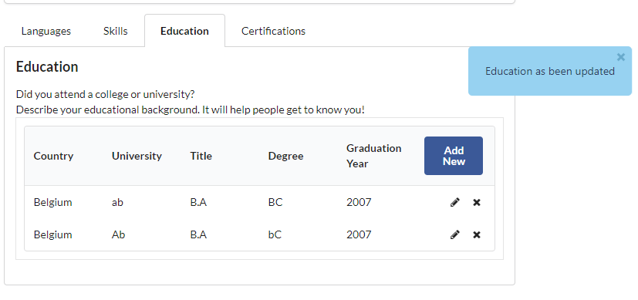
 |  | TC_010 Verify user is able to edit existing record with the same data. |  | 1.User click on Edit icon to edit the relevant existing record. 2.Update the fields with same data in the existing record. 3.Click on Upadte button. | AUT to ANU New zealand to Australia B.Tech to M.Tech Computer Science & Technology 2021 = 2024 | User should be able to view the error message as "This information is already exist." | Pass | same as Expected result.
 |  | TC_011 Verify user is able to edit existing record with the same data using case-sensitive letters. |  | User update data using case-sensitive letters. | Belgium|ab|B.A|BC|2007 Belgium|Ab|B.A|bC|2007 | User should be able to view the error message as "Duplicate data" | Fail | User view the tool tip message as "Education has been updated" and also updated in the Education list. |  | 2
 |  | TC_012 Verify user is able to edit existing record without providing any data. |  | User click on Update button with clear all data in all the fields. |  | User should be able to view the error message as "Please enter all the fields" | Pass | same as Expected result.
 |  | TC_013 Verify user is able to edit existing record with invalid input. |  | 1.Update invalid data in the Textbox fields. 2. Click on Upadte button. | AUT to !@#12@$#12ABcd345678901234567890123456789012345678901234567890123456789 New zealand to Australia B.Tech to M.Tech Computer Science & Technology to $%56 2021 = 2024 | User should be able to view the error message as "Please enter valid data in all the fields" | Pass | Pass
TS_003 | Verify Delete functionality in the Education module. | TC_014 Verify user is able to delete the existing record from the Education list |  | User Click on the delete icon to delete the existing Education record from the Education list. | click on delete pencil icon for record UAT university record | User should be able to view the tooltip message as "Education entry successfully removed" | Pass | same as Expected result.
TS_004 | Verify Add New functionality in the Certifications module with valid Sign-In credentials. | TC_015 Verify user is able to sign in with valid Email address and valid password and access the Certifications module in the Profile module. | 1. User enter Mars QA portal URL in the Chrome web browser. 2. Existing user navigate to Sign In Mars portal. 3. User navigate to profile Module. | 1. User navigate to Certifications Module. 2. User click on Add New button. 3. User veiw all the fields(Certificate or Award NameTextbox, Certified from Textbox, Year dropdown list, Add and Cancel buttons). | http://localhost:5000 Email address = pb842253@gmail.com password = @pb123456 | 1. User should be able to Mars sign in page successfully. 2. User should be able to click on Profile tab 3. User should be able to click on Add New button in the Certifications module. 4. User should be able to view all the field. | Pass | same as Expected result.

 |  | TC_016 Verify user is able to add a new Certification record. | 1. User enter Mars QA portal URL in the Chrome web browser. 2. Existing user navigate to Sign In Mars portal. 3. User navigate to profile Module. 4. User navigate to Certifications Module. 5. User click on Add New button | 1. Enter data in the Certification or Award Name Textbox. 2. Enter data in the Certification From Textbox. 2. Select Year from the Year drop-down list. 3. Click on Add button. | Certificate= Test Analyst From = Industry Connect Year = 2024 | User should be able to view Certificate in the list and also the tooltip message as "Test Analyst has been added to your Certification" | Pass | same as Expected result.
 |  | TC_017 Verify user is able to add a new Certification with null data. |  | User click on Add button without providing any data in Certification Name Textbox and Certification From. |  | User should be able to view the error message as "Please enter Certification Name, Certification From and Certification Year" | Pass | same as Expected result.
 |  | TC_018 Verify user is able to add a new Certification record with duplicate data. |  | User add same data in Certification name and Certification From. | Certificate = Test Anayst From = Industry Connect | User should be able to view the error message as "This information is already exist." | Pass | same as Expected result.
 |  | TC_019 Verify user is able to add a new Certification record with some data. |  | User add data in Certification From and Year. | From = Industry Connect Year = 2022 | User should be able to view the error message as "Please enter Certification Name, Certification From and Certification Year" | Pass | same as Expected result.
 |  | TC_020 Verify user is able to add a new Certification record with duplicate data using case- sensitive letters |  | User add same data in Certification name and Certification From using case- sensitive letters | AB|cd|2024 ab|cd|2024 | User should be able to view the error message as "This information is already exist." | Fail | User view the tool tip message as "ab has been added to your certification" and also view in the Certification list. |  | 3
 |  | TC_021 Verify user is able to add a new Certifications with invalid input. |  | 1. Enter invalid data in the Certification Name and Certification From. 2. Click on Add button. | Certificate = #$343456789012345678901234567890123456789012345667890006422222345789999988 From = #$343456789012345678901234567890123456789012345667890006422222345789999988 | User should not create a new Certification with invalid Data and also view error message as "Please enter valid details in the Certification Name and Caertification From fields. | Pass | User view the tool tip message as "!@12 has been added to your certification" and also view in the Certification list.
TS_005 | Verify Edit functionality in the Certifications module. | TC_022 Verify user is able to edit existing record by click on Edit pencil icon. | 1. User enter Mars QA portal URL in the Chrome web browser. 2. Existing user navigate to Sign In Mars portal. 3. User navigate to profile Module. 4. User navigate to Certifications Module. | 1.User click on Edit icon to edit the relevant existing record. 2.Update required fields in the existing record. 3.Click on Upadte button. | Test Analyst to Automation Test Analyst Industry Connect to MVP Studio. | User should be able to edit existing record in the Certifications list and also view the tooltip message as " Automation Test Analyst has been updated to your certification | Pass | same as Expected result.
 |  | TC_023 Verify user is able to edit existing record with null data. |  | User click on Update button with all data cleared in all the fields. |  | User should be able to view the error message as "Please enter Certification Name, Certification From and Certification Year" | Pass | same as Expected result.
 |  | TC_024 Verify user is able to edit existing record with the same data. |  | 1.User click on Edit icon to edit the relevant existing record. 2.Update the fields with duplicate data in the existing record. 3.Click on Update button. | Test Analyst MVP Studio | User should be able to view the error message as "This information is already exist." | Pass | same as Expected result.
 |  | TC_025 Verify user is able to edit existing record with the some data. |  | User update data in some of the fields. | Certificate = cd Year = 2024 | User should be able to view the error message as "Please enter Certification Name, Certification From and Certification Year" | Pass | same as Expected result.
 |  | TC_026 Verify user is able to edit existing record with the same data using case-sensitive letters. |  | User update same data using case-sensitive letters. | AB|cd|2024 Ab|cd|2024 | User should be able to view the error message as "This information is already exist." | Fail | User view the tooltip message as "Ab has been updated to your certification. |  | 4
 |  | TC_027 Verify user is able to edit existing record with invaild data. |  | User update data with invalid input | #$@!&*343456789012345678901234567890123456789012345667890006422222345789999988|#$@!&*343456789012345678901234567890123456789012345667890006422222345789999988 | User should be view the tooltip message as "#$@!&*343456789012345678901234567890123456789012345667890006422222345789999988 has been updated to your certification" | Pass | same as Expected result.
TS_006 | Verify Delete functionality in the Certifications module. | TC_028 Verify user is able to delete the existing record from the Certifications list |  | User Click on the delete icon to delete the required existing Certifications from the list. | Click on deelte pencel icon for Java record | User should be able to view the tooltip message as "Test Analyst has been deleted from your certification" | Pass | same as Expected result.
TS_007 | Verify User navigate to Education and Certifications modules with null username and vaild password | TC_029 Verify User trying to navigate Education and Certifications modules with null username and vaild password | User enter Mars QA portal URL in the Chrome web browser. | 1. User enter Mars QA portal URL in the Chrome web browser. 2. Click on Sign In button. 3. Enter Null Username and vaild password 4. Click on Login button. | http://localhost:5000/ EmailAddress = password = @pb123456 | User should be able to view the tooltip message as "please enter a valid email address" deleted" | Pass | same as Expected result.

Bug Report
Defect ID | Defect Description | Environment | Severity | Priority | Steps to reproduce | Expected Result | Actual Result | Status | Attachments
1 | Duplicate Education ADDED with case-sensitive letters | Test | Low | High | 1. User enter Mars QA portal URL in the Chrome web browser. 2. Existing user navigate to Sign In Mars portal. 3. User navigate to profile Module. 4. User navigate to Education Module. 5. Click on Add New button. 6. Add following data Belgium|a|B.A|B|2007 7.Click Add button. Belgium|A|B.A|b|2007 8.Again add following data Belgium|a|B.A|B|2007 9. Click on Add button. | User should be able to view the error message as "Duplicate data" | Added duplicate data
2 | Duplicate Education UPDATED with case-sensitive letters | Test | Low | High | 1. User enter Mars QA portal URL in the Chrome web browser. 2. Existing user navigate to Sign In Mars portal. 3. User navigate to profile Module. 4. User navigate to Education Module. 5. Click on Add New button. 6. Add following data Belgium|a|B.A|B|2007 7.Click Add button. Belgium|A|B.A|b|2007 8.Edit any data with the following data Belgium|a|B.A|B|2007 9. Click on Update button. | User should be able to view the error message as "Duplicate data" | Updated with duplicate data
3 | Duplicate Certification ADDED with case-sensitive letters | Test | Low | High | 1. User enter Mars QA portal URL in the Chrome web browser. 2. Existing user navigate to Sign In Mars portal. 3. User navigate to profile Module. 4. User navigate to Certification Module. 5. Click on Add New button. 6. Add following data AB|cd|2024 7.Click Add button. ab|cd|2024 8.Again add following data Belgium|a|B.A|B|2007 9. Click on Add button. | User should be able to view the error message as "This information is already exist. " | Added duplicate data |  | 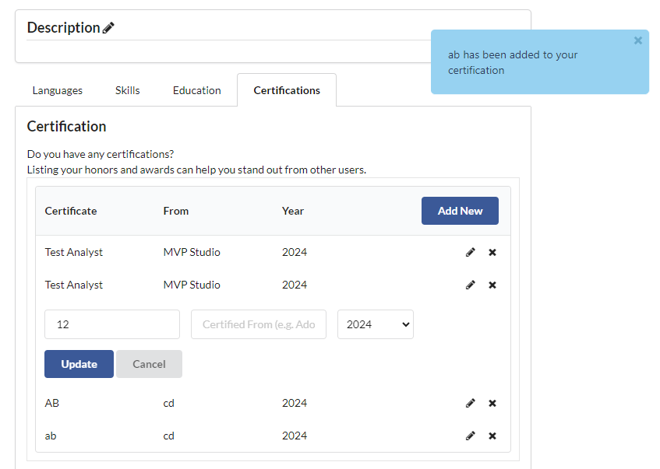
4 | Duplicate Certification UPDATED with case-sensitive letters | Test | Low | High | 1. User enter Mars QA portal URL in the Chrome web browser. 2. Existing user navigate to Sign In Mars portal. 3. User navigate to profile Module. 4. User navigate to Education Module. 5. Click on Add New button. 6. Add following data. AB|cd|2024 7.Click Add button. Ab|cd|2024 8.Edit any data with the following data Belgium|a|B.A|B|2007 9. Click on Update button. | User should be able to view the error message as "This information is already exist." | Updated with duplicate data

